FSI2018_RankingFormula_Layout
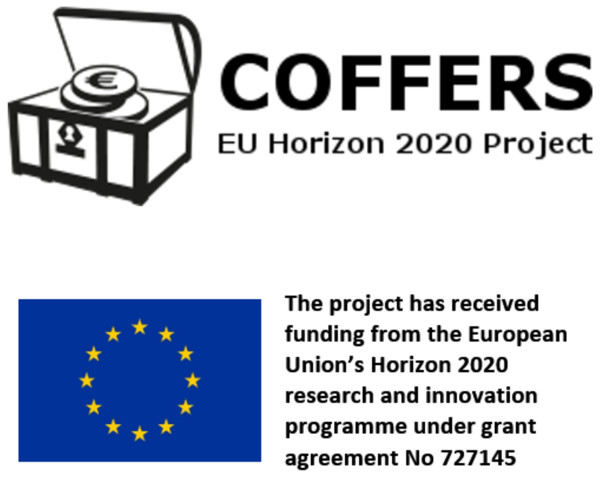
Rank | Jurisdiction | FSI Value6 | FSI Share7 | Secrecy Score4 | Global Scale Weight5 | Narrative Report
1 | Switzerland2 | 1589.57 | 5.01% | 76.45 | 4.50% | Y
2 | USA2 | 1298.47 | 4.09% | 59.82 | 22.30% | Y
3 | Cayman Islands2 | 1267.68 | 4.00% | 72.28 | 3.79% | Y
4 | Hong Kong2 | 1243.68 | 3.92% | 71.05 | 4.17% | Y
5 | Singapore2 | 1081.98 | 3.41% | 67.13 | 4.58% | Y
6 | Luxembourg2 | 975.92 | 3.08% | 58.20 | 12.13% | Y
7 | Germany2 | 768.95 | 2.42% | 59.10 | 5.17% | Y
8 | Taiwan2 | 743.38 | 2.34% | 75.75 | 0.50% | Y
9 | United Arab Emirates (Dubai)2,3 | 661.15 | 2.08% | 83.85 | 0.14% | Y
10 | Guernsey2 | 658.92 | 2.08% | 72.45 | 0.52% | Y
11 | Lebanon2 | 644.41 | 2.03% | 72.02 | 0.51% | Y
12 | Panama2 | 625.84 | 1.97% | 76.63 | 0.27% | Y
13 | Japan | 623.92 | 1.97% | 60.50 | 2.24% | N
14 | Netherlands2 | 598.81 | 1.89% | 66.03 | 0.90% | Y
15 | Thailand | 550.60 | 1.74% | 79.88 | 0.13% | N
16 | British Virgin Islands2 | 502.76 | 1.59% | 68.65 | 0.38% | Y
17 | Bahrain2 | 490.71 | 1.55% | 77.80 | 0.11% | Y
18 | Jersey2 | 438.22 | 1.38% | 65.45 | 0.38% | Y
19 | Bahamas | 429.00 | 1.35% | 84.50 | 0.04% | N
20 | Malta | 426.31 | 1.34% | 60.53 | 0.71% | N
21 | Canada2 | 425.84 | 1.34% | 54.75 | 1.75% | Y
22 | Macao | 424.92 | 1.34% | 68.25 | 0.24% | N
23 | United Kingdom2 | 423.76 | 1.34% | 42.35 | 17.37% | Y
24 | Cyprus2 | 404.44 | 1.28% | 61.25 | 0.55% | Y
25 | France | 404.18 | 1.27% | 51.65 | 2.52% | N
26 | Ireland2 | 387.94 | 1.22% | 50.65 | 2.66% | Y
27 | Kenya2 | 378.35 | 1.19% | 80.05 | 0.04% | Y
28 | China | 372.58 | 1.17% | 60.08 | 0.51% | N
29 | Russia | 361.16 | 1.14% | 63.98 | 0.26% | N
30 | Turkey2 | 353.89 | 1.12% | 67.98 | 0.14% | Y
31 | Malaysia (Labuan)3 | 335.11 | 1.06% | 71.93 | 0.07% | N
32 | India2 | 316.62 | 1.00% | 51.90 | 1.16% | Y
33 | South Korea | 314.06 | 0.99% | 59.03 | 0.36% | N
34 | Israel2 | 313.55 | 0.99% | 63.25 | 0.19% | Y
35 | Austria2 | 310.41 | 0.98% | 55.90 | 0.56% | Y
36 | Bermuda | 281.83 | 0.89% | 73.05 | 0.04% | N
37 | Saudi Arabia | 278.58 | 0.88% | 69.88 | 0.05% | N
38 | Liberia2 | 277.29 | 0.87% | 79.70 | 0.02% | Y
39 | Marshall Islands | 275.29 | 0.87% | 72.93 | 0.04% | N
40 | Philippines | 269.81 | 0.85% | 65.38 | 0.09% | N
41 | Italy2 | 254.14 | 0.80% | 49.48 | 0.92% | Y
42 | Isle of Man | 248.68 | 0.78% | 63.58 | 0.09% | N
43 | Ukraine | 246.25 | 0.78% | 69.15 | 0.04% | N
44 | Australia2 | 244.36 | 0.77% | 51.15 | 0.61% | Y
45 | Norway2 | 242.85 | 0.77% | 51.58 | 0.55% | Y
46 | Liechtenstein | 240.86 | 0.76% | 78.27 | 0.01% | N
47 | Romania2 | 232.30 | 0.73% | 65.53 | 0.06% | Y
48 | Barbados | 230.95 | 0.73% | 73.85 | 0.02% | N
49 | Mauritius2 | 223.47 | 0.70% | 72.35 | 0.02% | Y
50 | South Africa2 | 216.44 | 0.68% | 56.10 | 0.18% | Y
51 | Poland | 215.40 | 0.68% | 57.35 | 0.15% | N
52 | Spain | 213.89 | 0.67% | 47.70 | 0.77% | N
53 | Belgium2 | 212.97 | 0.67% | 44.00 | 1.56% | Y
54 | Sweden | 203.55 | 0.64% | 45.48 | 1.01% | N
55 | Latvia | 195.65 | 0.62% | 57.38 | 0.11% | N
56 | Anguilla | 195.04 | 0.62% | 77.50 | 0.01% | N
57 | Indonesia | 188.79 | 0.60% | 61.45 | 0.05% | N
58 | New Zealand2 | 178.56 | 0.56% | 56.23 | 0.10% | Y
59 | Costa Rica | 168.78 | 0.53% | 68.65 | 0.01% | N
60 | Chile | 168.64 | 0.53% | 61.60 | 0.04% | N
61 | Denmark2 | 166.12 | 0.52% | 52.50 | 0.15% | Y
62 | Paraguay | 158.52 | 0.50% | 84.33 | 0.00% | N
63 | St. Kitts and Nevis | 152.55 | 0.48% | 76.65 | 0.00% | N
64 | Portugal (Madeira)3 | 151.63 | 0.48% | 54.68 | 0.08% | N
65 | Puerto Rico | 151.06 | 0.48% | 77.20 | 0.00% | N
66 | Vanuatu2 | 149.27 | 0.47% | 88.58 | 0.00% | Y
67 | Uruguay | 148.20 | 0.47% | 60.82 | 0.03% | N
68 | Aruba2 | 148.05 | 0.47% | 75.98 | 0.00% | Y
69 | Dominican Republic | 147.09 | 0.46% | 71.60 | 0.01% | N
70 | Czech Republic | 145.10 | 0.46% | 52.93 | 0.09% | N
71 | Finland | 142.23 | 0.45% | 52.70 | 0.09% | N
72 | Iceland | 139.69 | 0.44% | 59.90 | 0.03% | N
73 | Brazil2 | 138.00 | 0.44% | 49.00 | 0.16% | Y
74 | Hungary | 132.73 | 0.42% | 54.70 | 0.05% | N
75 | Tanzania2 | 128.92 | 0.41% | 73.40 | 0.00% | Y
76 | Slovakia | 127.89 | 0.40% | 54.90 | 0.05% | N
77 | Seychelles | 125.26 | 0.40% | 75.20 | 0.00% | N
78 | Guatemala2 | 123.63 | 0.39% | 73.10 | 0.00% | Y
79 | Croatia | 119.36 | 0.38% | 59.28 | 0.02% | N
80 | Greece | 118.58 | 0.37% | 57.88 | 0.02% | N
81 | Samoa | 115.90 | 0.37% | 77.60 | 0.00% | N
82 | Mexico | 107.57 | 0.34% | 54.37 | 0.03% | N
83 | Gibraltar | 107.44 | 0.34% | 70.83 | 0.00% | N
84 | Curacao2 | 105.66 | 0.33% | 74.80 | 0.00% | Y
85 | Venezuela | 105.03 | 0.33% | 68.53 | 0.00% | N
86 | US Virgin Islands | 101.89 | 0.32% | 73.08 | 0.00% | N
87 | Turks and Caicos Islands | 98.08 | 0.31% | 76.78 | 0.00% | N
88 | Bolivia | 94.82 | 0.30% | 80.35 | 0.00% | N
89 | Bulgaria | 91.38 | 0.29% | 54.18 | 0.02% | N
90 | Belize2 | 86.30 | 0.27% | 75.18 | 0.00% | Y
91 | Brunei | 85.60 | 0.27% | 84.05 | 0.00% | N
92 | Monaco | 82.93 | 0.26% | 77.50 | 0.00% | N
93 | Estonia | 79.47 | 0.25% | 50.85 | 0.02% | N
94 | Maldives | 74.87 | 0.24% | 81.08 | 0.00% | N
95 | Ghana2 | 68.85 | 0.22% | 61.75 | 0.00% | Y
96 | Dominica | 62.02 | 0.20% | 77.33 | 0.00% | N
97 | Lithuania | 58.75 | 0.19% | 46.78 | 0.02% | N
98 | Antigua and Barbuda | 54.53 | 0.17% | 86.88 | 0.00% | N
99 | Montenegro | 52.64 | 0.17% | 63.15 | 0.00% | N
100 | Cook Islands | 44.97 | 0.14% | 74.58 | 0.00% | N
101 | Grenada | 44.61 | 0.14% | 77.08 | 0.00% | N
102 | Macedonia | 39.76 | 0.13% | 60.68 | 0.00% | N
103 | Botswana2 | 39.45 | 0.12% | 68.73 | 0.00% | Y
104 | Slovenia | 35.32 | 0.11% | 41.83 | 0.01% | N
105 | Andorra | 35.05 | 0.11% | 66.05 | 0.00% | N
106 | Gambia2 | 34.51 | 0.11% | 76.63 | 0.00% | Y
107 | Trinidad and Tobago | 27.86 | 0.09% | 65.25 | 0.00% | N
108 | Nauru | 26.32 | 0.08% | 66.65 | 0.00% | N
109 | San Marino | 24.31 | 0.08% | 64.00 | 0.00% | N
110 | St. Lucia | 21.52 | 0.07% | 78.27 | 0.00% | N
111 | St. Vincent and the Grenadines | 21.38 | 0.07% | 69.95 | 0.00% | N
112 | Montserrat | 16.53 | 0.05% | 77.50 | 0.00% | N
Footnote 1: The territories marked in Dark Blue are Overseas Territories (OTs) and Crown Dependencies (CDs) where the Queen is head of state; powers to appoint key government officials rest with the British Crown; laws must be approved in London; and the UK government holds various other powers (see here for more details: www.financialsecrecyindex.com/PDF/UnitedKingdom.pdf). Territories marked in light blue are British Commonwealth territories which are not OTs or CDs but whose final court of appeal is the Judicial Committee of the Privy Council in London (see here for more details: http://www.taxjustice.net/cms/upload/pdf/Privy_Council_and_Secrecy_Scores.pdf). To compute an FSI for the entire group of OTs and CDs (or also including the UK), we first need to calculate the group's joint Secrecy Score and joint Global Scale Weight. Calculating the joint Global Scale Weight is straightforward - we just sum up each jurisdiction's individual Global Scale Weight to arrive at 22.57% (or 5.2% excluding the UK). To combine the Secrecy Scores, we see at least four relevant options. Three of the four options result in the UK and its satellite network of secrecy jurisdictions to top the FSI by a large margin (read more on page 161, in: http://www.financialsecrecyindex.com/PDF/FSI-Methodology.pdf). Note that our list excludes many British Commonwealth realms where the Queen remains head of state.
Footnote 2: For these jurisdictions, we provide special narrative reports exploring the history and politics of their offshore sectors. You can read and download these reports by clicking on the country name.
Footnote 3: For these jurisdictions, we took the secrecy score for the sub-national jurisdiction alone, but the Global Scale Weight (GSW) for the entire country. This is not ideal: we would prefer to use GSW data for sub-national jurisdictions - but this data is simply not available. As a result, these jurisdictions might be ranked higher in the index than is warranted.
Footnote 4: The Secrecy Scores are calculated based on 20 indicators. For full explanation of the methodology and data sources, please read our FSI-methodology document, here: www.financialsecrecyindex.com/PDF/FSI-Methodology.pdf
Footnote 5: The Global Scale Weight represent a jurisdiction's share in global financial services exports. For full explanation of the methodology and data sources, please read our FSI-methodology document, here: www.financialsecrecyindex.com/PDF/FSI-Methodology.pdf
Footnote 6: The FSI Value is calculated by multiplying the cube of the Secrecy Score with the cube root of the Global Scale Weight. The final result is divided through by one hundred for presentational clarity.
Footnote 7: The FSI Share is calculated by summing up all FSI Values, and then dividing each countries FSI Value by the total sum, expressed in percentages.

